WC Warehouse
SKU | Product Name | Qty | Picture | Link
JG-3114TY-PK | Office Chair | 89
JG-3114ZY-BGE | Office Chair | 34
JG-3114ZY-LG | Office Chair | 60
JG-3188Q-BGE | Office Chair | 30
JG-3188Q-DB | Office Chair | 44
JG-3188Q-GY | Office Chair | 94
JG-3188Q-PK | Office Chair | 93
JG-3188Q-WT | Office Chair | 41
JG-3188Q-YL | Office Chair | 30
YMS-3114T-WBL | Office Chair | 60
YMS-3118T-PK | Office Chair | 101 | 0
YMS-3118Z-LB | Office Chair | 18 |  | https://www.walmart.com/ip/Drevy-Desk-Chairs-with-Wheels-Beige-White-Office-Chairs-with-Armrest-Fabric-Office-Chair-for-Adjustable-Backward-Tilt/5234399700
YMS-3118Z-YL | Office Chair | 70 | 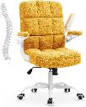 | 0
JG-3114TY-PK | Office Chair | 226 | 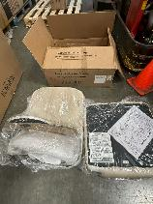
JG-3114ZY-BGE | Office Chair | 139 | 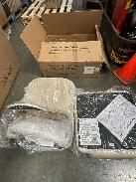
JG-3188Q-DB | Office Chair | 17
JG-3188Q-WT | Office Chair | 29
YMS-3114T-WBL | Office Chair | 100
YMS-3118B-DB | Office Chair | 265 |  | https://www.amazon.de/-/en/YAMASORO-Ergonomic- Armrests-Height-Adjustable-Adjustable/dp/B0CGRC75KR
YMS-3118B-GRY | Office Chair | 127 | 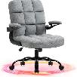 | 0
YMS-3118T-BGE | Office Chair | 26 | 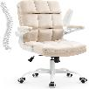 | 0
YMS-3118T-PK | Office Chair | 411 | 0
YMS-3118Z-LB | Office Chair | 31 |  | https://www.walmart.com/ip/Drevy-Desk-Chairs-with-Wheels-Beige-White-Office-Chairs-with-Armrest-Fabric-Office-Chair-for-Adjustable-Backward-Tilt/5234399700
YMS-3118Z-YL | Office Chair | 80 |  | 0
YMS-3114T-WBL | Office Chair | 4
YMS-3118T-BGE | Office Chair | 6
YMS-3118Z-PK | Office Chair | 5 | 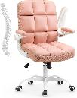
 | TOTAL | 2230

